Summary
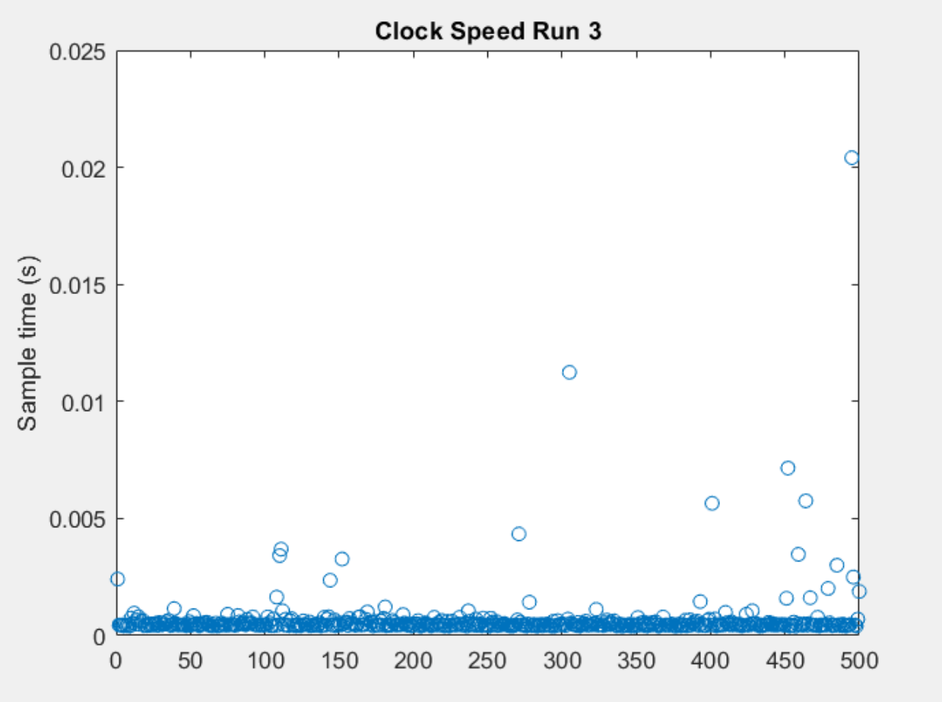
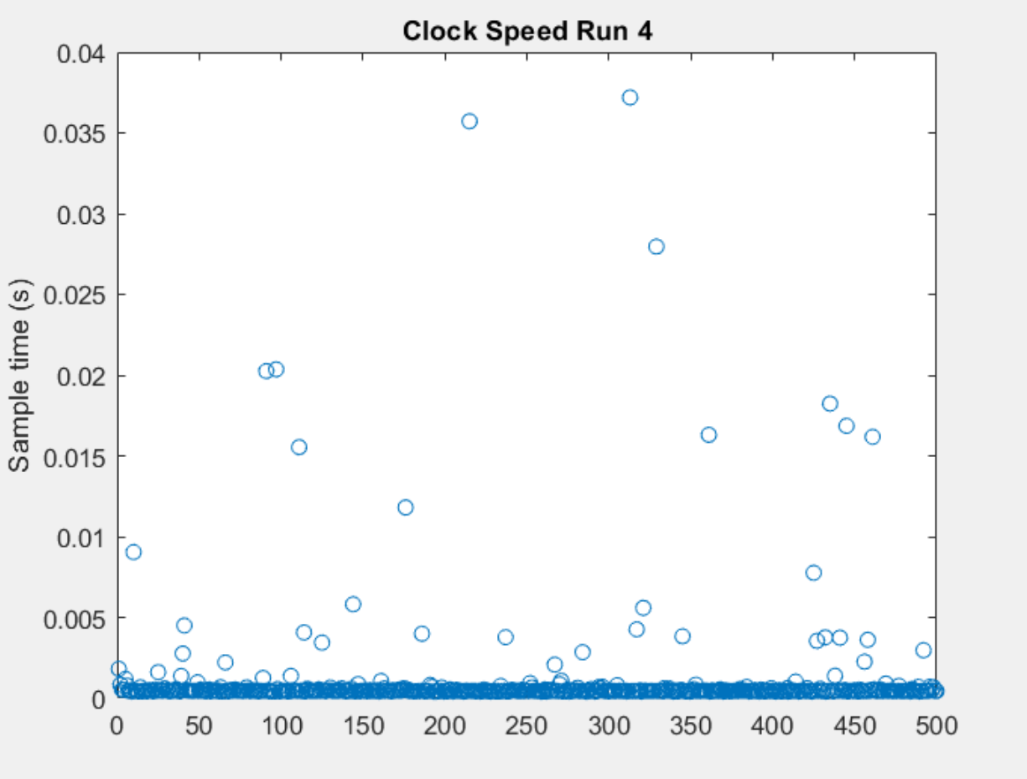
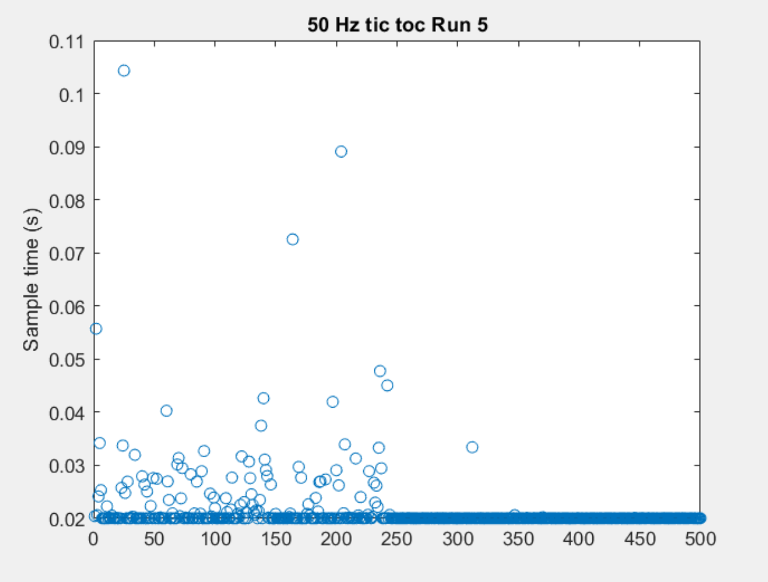
 | 500 Hz Tic Toc tests |  |  | ideal (ms) | 0.002 |  |  |  | Ideal dt | Mean dt | Standard Deviation | Coefficient of Variance
 | Run 1 | Run 2 | Run 3 | Run 4 | Run 5 | AVERAGES | Notes | 50 Hz Tic Toc | 0.020 | 0.0244 | 0.0107 | 0.43
mean (s) | 0.0049 | 0.004 | 0.0043 | 0.0044 | 0.0028 | 0.00408 | some false serial starts | 100 Hz Tic Toc | 0.010 | 0.0123 | 0.0055 | 0.44
% diff | 1.45 | 1 | 1.15 | 1.2 | 0.4 | 1.04 |  | 100 Hz robo-timer | 0.010 | 0.0117 | 0.0090 | 0.76
stdev (s) | 0.0083 | 0.0049 | 0.0067 | 0.0063 | 0.0038 | 0.006 |  | 150 Hz Tic Toc | 0.007 | 0.0096 | 0.0062 | 0.60
coeffVar | 1.69 | 1.22 | 1.56 | 1.43 | 1.36 | 1.453195625 |  | 500 Hz Tic Toc | 0.002 | 0.0041 | 0.0060 | 1.45
 |  |  |  |  |  |  |  | Clock Speed Tic Toc |  | 0.0012916725 | 0.004075 | 2.94

 | 100 Hz tic Toc tests |  |  | ideal (ms) | 0.01
 | Run 1 | Run 2 | Run 3 | Run 4 | Run 5 | AVERAGES
mean (s) | 0.011 | 0.0126 | 0.0117 | 0.0122 | 0.0141 | 0.01232
% diff | 0.1 | 0.26 | 0.17 | 0.22 | 0.41 | 0.232
stdev (s) | 0.0037 | 0.0058 | 0.0045 | 0.0048 | 0.0088 | 0.00552
coeffVar | 0.34 | 0.46 | 0.38 | 0.39 | 0.62 | 0.43977051588

 | 100 Hz robo-timer tests |  |  | ideal (ms) | 0.01
 | Run 1 | Run 2 | Run 3 | Run 4 | Run 5 | AVERAGES
mean (s) | 0.0121 | 0.0115 | 0.0114 | 0.0128 | 0.0106 | 0.01168
% diff | 0.21 | 0.15 | 0.14 | 0.28 | 0.06 | 0.168
stdev (s) | 0.0099 | 0.0084 | 0.0092 | 0.013 | 0.0045 | 0.009
coeffVar | 0.82 | 0.73 | 0.81 | 1.02 | 0.42 | 0.75915748931

 | 150 Hz tic Toc tests |  |  | ideal (ms) | 0.0066666666667
 | Run 1 | Run 2 | Run 3 | Run 4 | Run 5 | AVERAGES
mean (s) | 0.0106 | 0.0111 | 0.0089 | 0.0105 | 0.0067 | 0.00956
% diff | 0.59 | 0.665 | 0.335 | 0.575 | 0.005 | 0.434
stdev (s) | 0.0083 | 0.0096 | 0.0042 | 0.009 | 8.84E-05 | 0.00623767
coeffVar | 0.78 | 0.86 | 0.47 | 0.86 | 0.01 | 0.59802465389

 | Clock Speed tic Toc tests
 | Run 1 | Run 2 | Run 3 | Run 4 | AVERAGES
mean (s) | 0.0016 | 0.0018 | 6.67E-04 | 0.0011 | 0.0012916725
stdev (s) | 0.0053 | 0.0064 | 0.0012 | 0.0034 | 0.004075
coeffVar | 3.31 | 3.56 | 1.80 | 3.09 | 2.9397254122

 | 50 Hz tic Toc tests |  |  | ideal (ms) | 0.02
 | Run 1 | Run 2 | Run 3 | Run 4 | Run 5 | AVERAGES | really slow, boring simulation and AM data a little choppy
mean (s) | 0.0257 | 0.0221 | 0.0271 | 0.0252 | 0.0217 | 0.02436
% diff | 0.285 | 0.105 | 0.355 | 0.26 | 0.085 | 0.218
stdev (s) | 0.0109 | 0.0071 | 0.0186 | 0.0103 | 0.0066 | 0.0107
coeffVar | 0.42 | 0.32 | 0.69 | 0.41 | 0.30 | 0.42892319392

Run Data
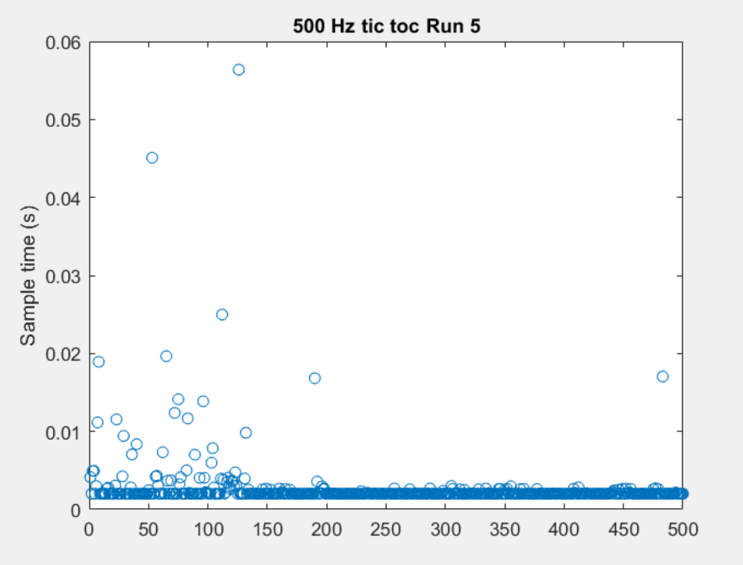
 | 500 Hz Tic Toc tests |  |  | ideal (ms) | 0.002
 | Run 1 | Run 2 | Run 3 | Run 4 | Run 5 | AVERAGES | Notes
mean (s) | 0.0049 | 0.004 | 0.0043 | 0.0044 | 0.0028 | 0.00408 | some false serial starts
% diff | 1.45 | 1 | 1.15 | 1.2 | 0.4 | 1.04
stdev (s) | 0.0083 | 0.0049 | 0.0067 | 0.0063 | 0.0038 | 0.006
coeffVar | 1.69 | 1.22 | 1.56 | 1.43 | 1.36 | 1.453195625

 | 100 Hz tic Toc tests |  |  | ideal (ms) | 0.01
 | Run 1 | Run 2 | Run 3 | Run 4 | Run 5 | AVERAGES
mean (s) | 0.011 | 0.0126 | 0.0117 | 0.0122 | 0.0141 | 0.01232
% diff | 0.1 | 0.26 | 0.17 | 0.22 | 0.41 | 0.232
stdev (s) | 0.0037 | 0.0058 | 0.0045 | 0.0048 | 0.0088 | 0.00552
coeffVar | 0.34 | 0.46 | 0.38 | 0.39 | 0.62 | 0.43977051588
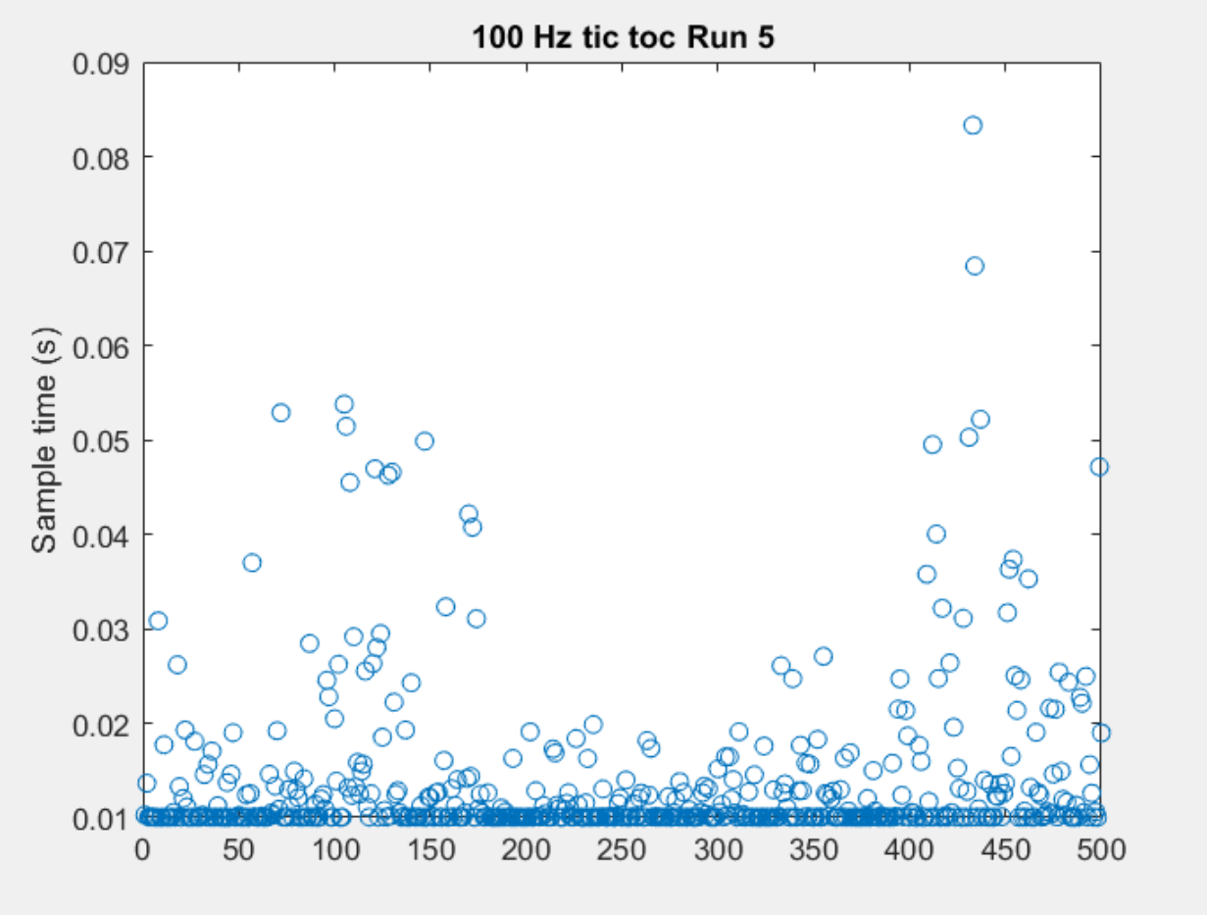

 | 100 Hz robo-timer tests |  |  | ideal (ms) | 0.01
 | Run 1 | Run 2 | Run 3 | Run 4 | Run 5 | AVERAGES
mean (s) | 0.0121 | 0.0115 | 0.0114 | 0.0128 | 0.0106 | 0.01168
% diff | 0.21 | 0.15 | 0.14 | 0.28 | 0.06 | 0.168
stdev (s) | 0.0099 | 0.0084 | 0.0092 | 0.013 | 0.0045 | 0.009
coeffVar | 0.82 | 0.73 | 0.81 | 1.02 | 0.42 | 0.75915748931

 | 150 Hz tic Toc tests |  |  | ideal (ms) | 0.0066666666667
 | Run 1 | Run 2 | Run 3 | Run 4 | Run 5 | AVERAGES
mean (s) | 0.0106 | 0.0111 | 0.0089 | 0.0105 | 0.0067 | 0.00956
% diff | 0.59 | 0.665 | 0.335 | 0.575 | 0.005 | 0.434
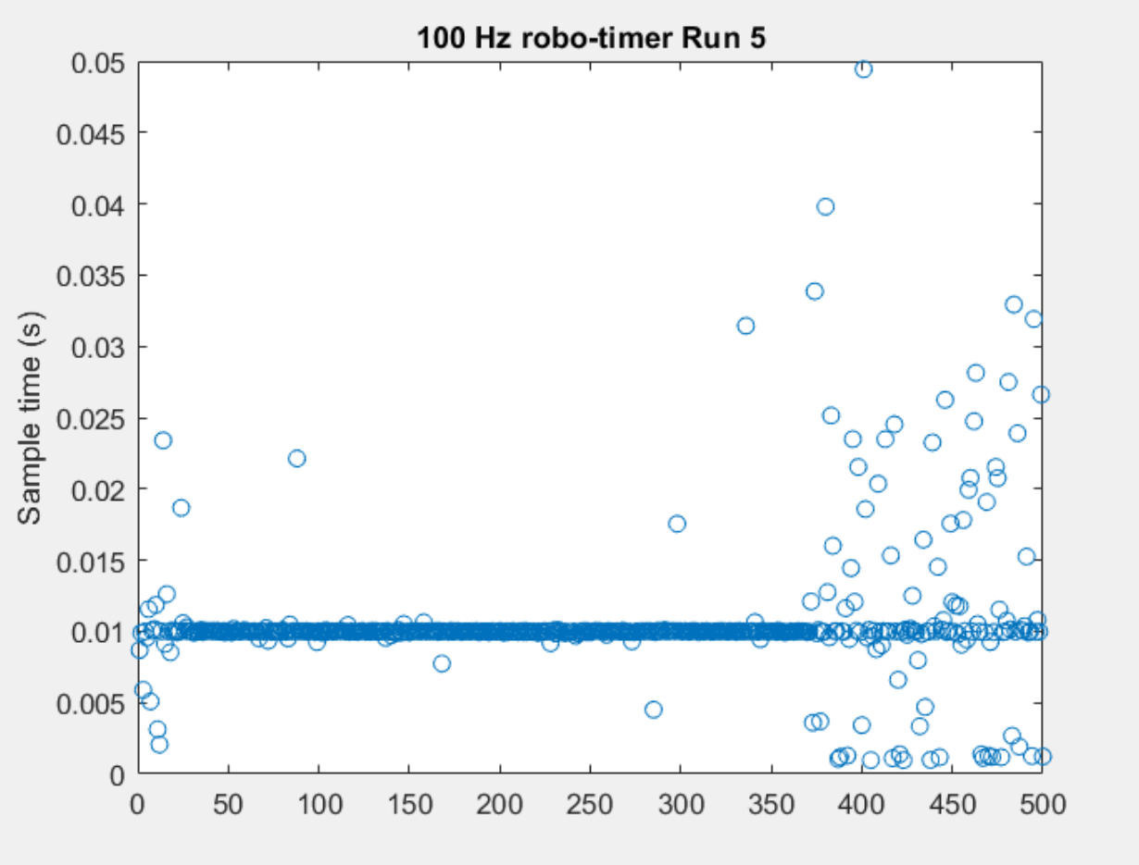
stdev (s) | 0.0083 | 0.0096 | 0.0042 | 0.009 | 8.84E-05 | 0.00623767
coeffVar | 0.78 | 0.86 | 0.47 | 0.86 | 0.01 | 0.59802465389

 | Clock Speed tic Toc tests
 | Run 1 | Run 2 | Run 3 | Run 4 | AVERAGES
mean (s) | 0.0016 | 0.0018 | 6.67E-04 | 0.0011 | 0.0012916725
stdev (s) | 0.0053 | 0.0064 | 0.0012 | 0.0034 | 0.004075
coeffVar | 3.31 | 3.56 | 1.80 | 3.09 | 2.9397254122

 | 50 Hz tic Toc tests |  |  | ideal (ms) | 0.02
 | Run 1 | Run 2 | Run 3 | Run 4 | Run 5 | AVERAGES | really slow, boring simulation and AM data a little choppy
mean (s) | 0.0257 | 0.0221 | 0.0271 | 0.0252 | 0.0217 | 0.02436
% diff | 0.285 | 0.105 | 0.355 | 0.26 | 0.085 | 0.218
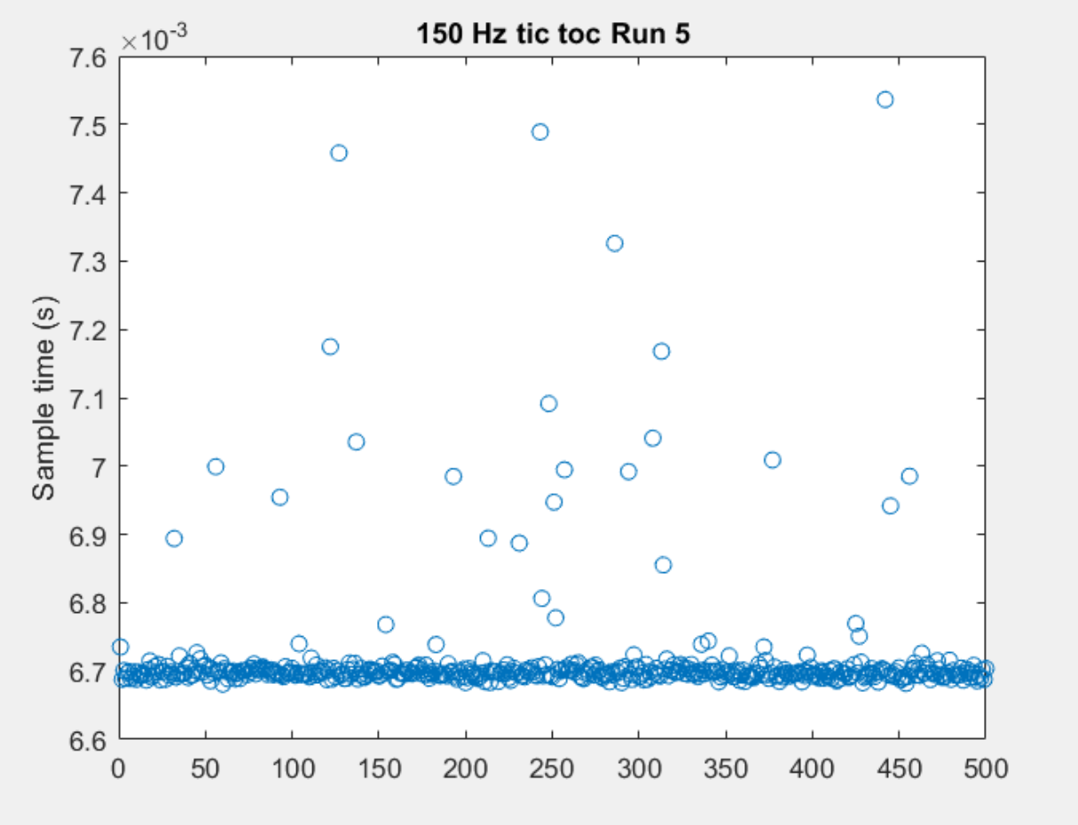
stdev (s) | 0.0109 | 0.0071 | 0.0186 | 0.0103 | 0.0066 | 0.0107
coeffVar | 0.42 | 0.32 | 0.69 | 0.41 | 0.30 | 0.42892319392

